
 |  |  |  | CODE: |  |  | pl1270 ad SN from 00E000
DESCRIPTION: |  | EXTERNAL PARTS |  | EXTERNE TEILE | EXTERNES PARTIES | EXTERNAS PARTES | PARTI ESTERNE
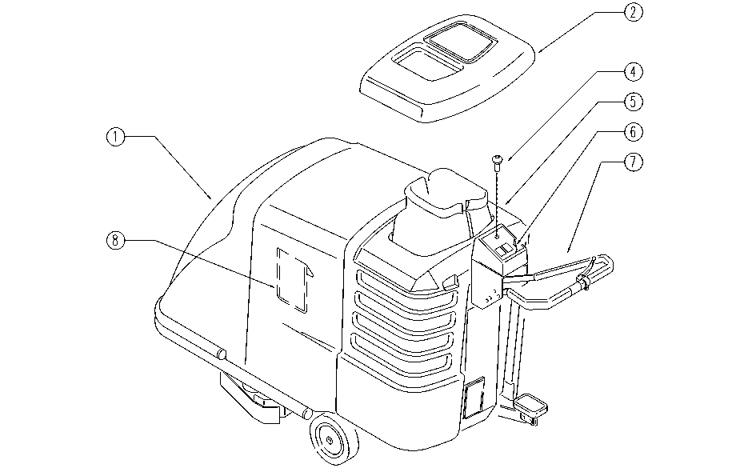

REF. | CODE | DESCRIPTION | QT
1 | E86678 | AS28 New Style - Hood | 1
2 | E86656 | Lid for AS24/28 -- RED | 1
4 | E86988 | Operator D22 Mushroom complete | 1
5 | SL17272 | TANK | 1
6 | SL25357 | ADESIVE LABEL | 1
7 | E89263 | Handle grip AS20 | 1
8 | SL25374 | POCKET | 1

